工作表1
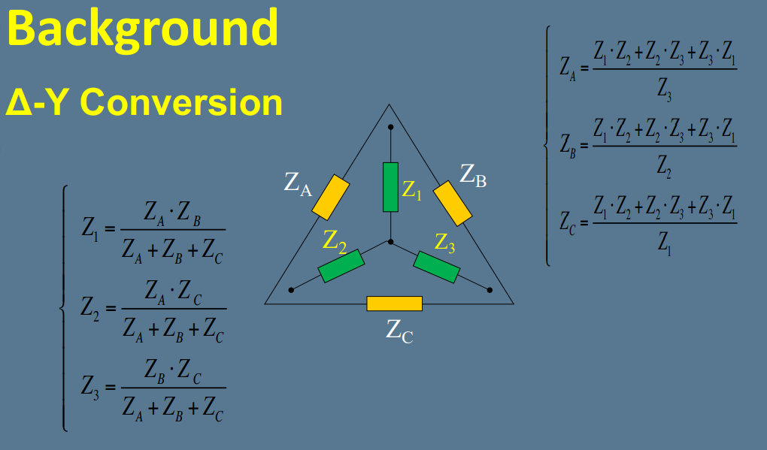
6.a.1 Input Resistance |  |  | Experiment 6.b Δ-Y Conversion
Vin(V) | Iin(A) |  |  | Measured | Theorem
12 | 0.00245 |  | R1 | 2975.8 | 3000
 |  |  | R2 | 2964.7 | 3000
Rin(Proportional) | Rin(Theorem) | % Error | R3 | 2960.1 | 3000
4912.8 | 4897.9592 | 0.30% | R4 | 2983.5 | 3000
 |  |  | R5 | 988.5 | 1000
Rin(Direct) | Rin(Theorem) | % Error | Rab | 2972.3 | 3000
4914.6 | 4897.9592 | 0.34%
 |  |  |  | Measured | Theorem
 |  |  | R13 | 1272.1197 | 1285.7143
6.a.2 Output ResistanceInput Resistance |  |  | R15 | 424.8135 | 428.5714
Vout(V) | Iout(A) |  | R35 | 422.5722 | 428.5714
2.187 | 0.00089
 |  |  | R4 | Rab
Rout(Proportional) | Rout(Theorem) | % Error | 1000 | 2274.1442
2457.5 | 2457.3034 | 0.01% | 3000 | 2975.1010
 |  |  | 6200 | 3514.1398
Rout(Direct) | Rout(Theorem) | % Error
2633.7 | 2457.3034 | 7.18% | V1 | R4 | Iab(mA) | Rab(Ω)
 |  |  | 12 | 1000 | 5.2971 | 2265.3905
 |  |  | 12 | 3000 | 4.0415 | 2969.1946
 |  |  | 12 | 6200 | 3.4217 | 3507.0287

 |  |  | V1 | R4 | IR5(mA)
 |  |  | 12 | 1000 | 0.9325
 |  |  | 12 | 3000 | 0.0087
 |  |  | 12 | 6200 | -0.4727

 |  |  | R4 | Rtotal | Itotal | I1 | I2 | VTh | RTh | IR5 | % Error
 |  |  | 1000 | 2400 | 0.0050 | 0.0020 | 0.0030 | 3.0000 | 2250.0000 | 0.9231 | 1.021%
 |  |  | 3000 | 3000 | 0.0040 | 0.0020 | 0.0020 | 0.0000 | 3000.0000 | 0.0000 | #DIV/0!
 |  |  | 6200 | 3631.5789 | 0.0033 | 0.0020 | 0.0013 | -2.0870 | 3521.7391 | -0.4615 | 2.418%

